Metrics and Plots
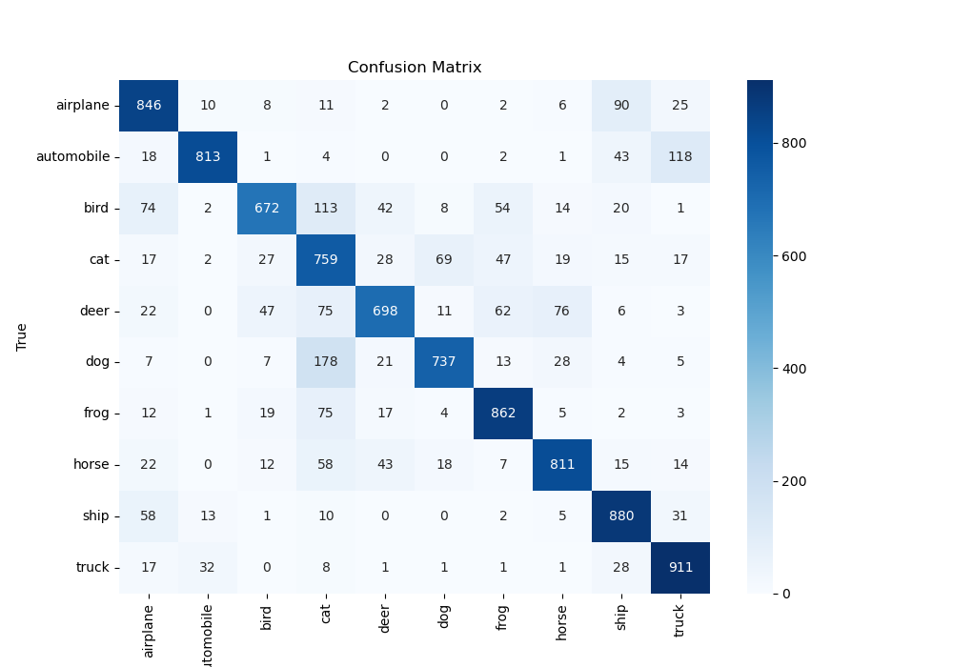
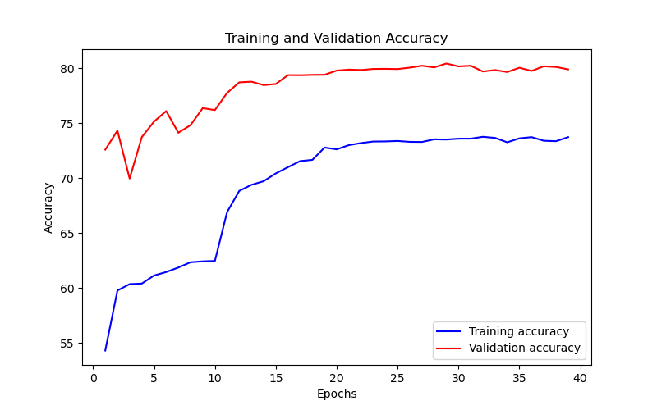
Epoch | Train Accuracy | Train Loss | Validation Accuracy | Validation Loss
1 | 54.32 | 1.311 | 72.59 | 0.908
2 | 59.78 | 1.279 | 74.32 | 0.858
3 | 60.36 | 1.276 | 69.96 | 0.975
4 | 60.41 | 1.266 | 73.73 | 0.895
5 | 61.14 | 1.223 | 75.14 | 0.847
6 | 61.46 | 1.228 | 76.1 | 0.859
7 | 61.87 | 1.22 | 74.13 | 0.871
8 | 62.35 | 1.2 | 74.82 | 0.818
9 | 62.43 | 1.166 | 76.37 | 0.803
10 | 62.47 | 1.186 | 76.19 | 0.815
11 | 66.91 | 1.003 | 77.75 | 0.737
12 | 68.84 | 0.975 | 78.71 | 0.724
13 | 69.39 | 0.969 | 78.77 | 0.725
14 | 69.72 | 0.945 | 78.46 | 0.723
15 | 70.43 | 0.922 | 78.56 | 0.712
16 | 71 | 0.897 | 79.37 | 0.687
17 | 71.55 | 0.895 | 79.36 | 0.686
18 | 71.66 | 0.892 | 79.39 | 0.685
19 | 72.78 | 0.836 | 79.4 | 0.686
20 | 72.62 | 0.847 | 79.78 | 0.677
21 | 73 | 0.848 | 79.87 | 0.668
22 | 73.19 | 0.832 | 79.83 | 0.68
23 | 73.33 | 0.823 | 79.93 | 0.676
24 | 73.34 | 0.833 | 79.94 | 0.671
25 | 73.38 | 0.842 | 79.92 | 0.676
26 | 73.3 | 0.829 | 80.05 | 0.67
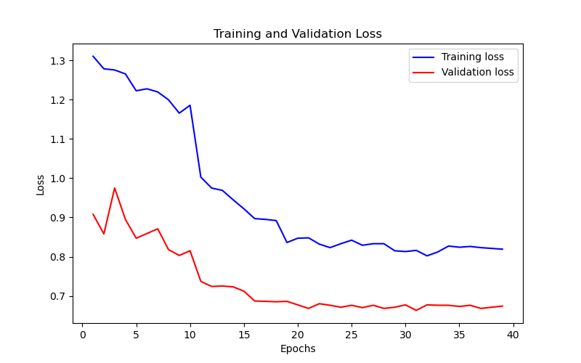
27 | 73.29 | 0.833 | 80.22 | 0.676
28 | 73.53 | 0.833 | 80.07 | 0.668
29 | 73.51 | 0.815 | 80.42 | 0.671
30 | 73.59 | 0.813 | 80.16 | 0.677
31 | 73.59 | 0.816 | 80.22 | 0.663
32 | 73.76 | 0.802 | 79.7 | 0.677
33 | 73.66 | 0.812 | 79.83 | 0.676
34 | 73.26 | 0.827 | 79.65 | 0.676
35 | 73.62 | 0.824 | 80.04 | 0.673
36 | 73.73 | 0.826 | 79.75 | 0.676
37 | 73.4 | 0.823 | 80.17 | 0.668
38 | 73.36 | 0.821 | 80.11 | 0.671
39 | 73.73 | 0.819 | 79.89 | 0.674

